Page 1


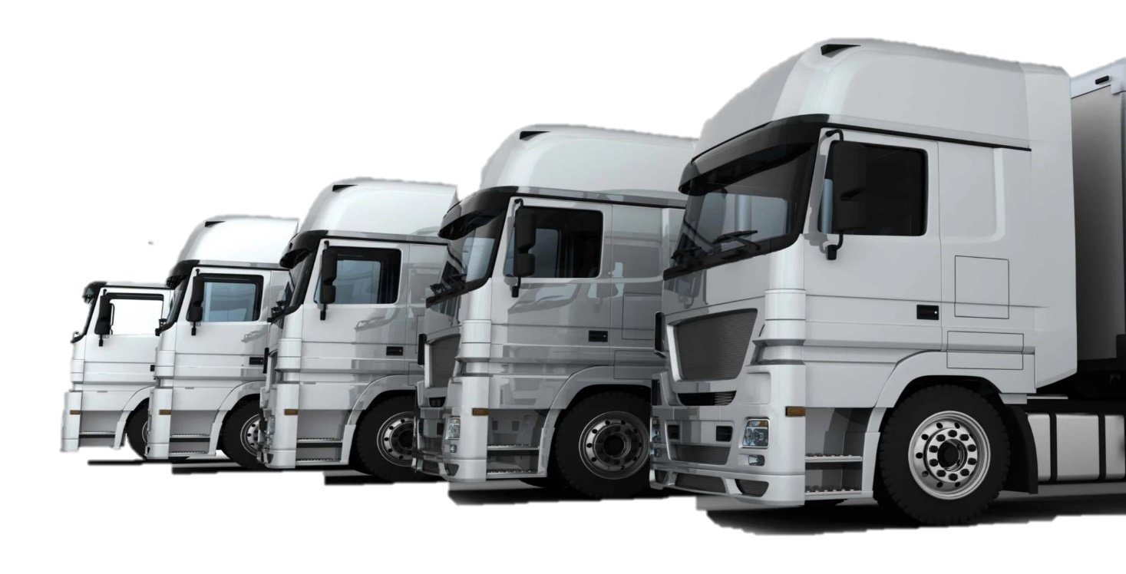

 | Total
Jan | $4,400
Feb | $2,100
Mar | $7,000
Apr | $800
May | $1,600
Jun | $3,200
Jul | $1,600
Aug | $2,600
Sep | $500
Oct | $4,800
Nov | $800
Dec | $1,600
 | Total
Jan | 1200
Feb | 800
Mar | 2000
Apr | 200
May | 400
Jun | 800
Jul | 400
Aug | 1300
Sep | 400
Oct | 1200
Nov | 200
Dec | 400
 | Total
Jan | 1000
Feb | 500
Mar | 1500
Apr | 200
May | 400
Jun | 800
Jul | 400
Aug | 1300
Sep | 100
Oct | 1200
Nov | 200
Dec | 400
 | Total
Close | 16
Far | 6
Regular | 2
 | Sum of Driver wage/trip | Sum of Buddy wage/trip
Close | 5900 | 5100
Far | 3000 | 2500
Regular | 400 | 400
 | Total
Woodchip | 12
Woodpellet | 12
 | Count of Trip Classify | Count of Trip Classify2
Jan | 2 | 0%
Feb | 2 | 0%
Mar | 4 | 100%
Apr | 1 | -50%
May | 1 | -50%
Jun | 2
Jul | 2 | 0%
Aug | 3 | 50%
Sep | 1 | -50%
Oct | 4 | 100%
Nov | 1 | -50%
Dec | 1 | -50%
Saleries | 13700
wages | 17300
wages | 17300
Saleries | 13700
Logistics and Transportation Managment
Overview
Overview
Monthly Expenses
Total Expenses
$31,000
Wages
Salaries
$9,300
Driver
$8,000
Buddy
$6,500
$7,200
Driver
Months
Total Trips
Hired Transportation
24
5 Trips
Close
Regular
Far
16
2
6
Driver & Buddy Income
Per Trip Classify
Cargo Types
Total Distance
600 km
Return Trip
8 Trips
One- Way
16 Trips
Monthly Trips
Total Wages
$17,300
Total Saleries
$13,700
44%
56%
Dashboard
Dashboard
Schedule

Page 2

Logistics and Transportation Managment
Trips Schedule
Driver
Months
Total Trips
Hired Transportation
24
5 Trips
1- 30-minute break is more flexible There is now more flexibility in the 30-minute break rule as it’s now tied to eight hours of driving time without interruption for at least 30 minutes. Instead of a mandatory break after eight hours of continuous driving, drivers can use on-duty, instead of not-driving status, instead of off-duty.
2-One off-duty break Drivers are now allowed one off-duty break of at least 30 minutes but this can’t be over three hours that pauses a driver’s 14-hour driving period. As long as the trucker takes off 10 consecutive hours at the end of the workday.
3-Adverse driving condition exception is modified The new trucking law extends the maximum period by two hours during which driving is allowed.
4-Off-duty periods Covered CMV operators are now permitted to use multiple off-duty periods of at least three hours instead of taking 10 consecutive hours off-duty.
New Driving Laws
Dashboard
Dashboard
Schedule

